Fixture
GDIFF Implant System _ Fixture

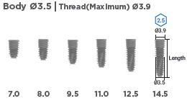
Category | ITEM | Brand | Connection | Hex | Description | REF.NO | Q'TY | Remark
FX |  | IB-T | BLUE | Single Hex | Ø3.5 x 7.0mm [SLA] | PFX-3907SS
FX |  | IB-T | BLUE | Single Hex | Ø3.5 x 8.0mm [SLA] | PFX-3908SS
FX |  | IB-T | BLUE | Single Hex | Ø3.5 x 9.5mm [SLA] | PFX-3910SS
FX |  | IB-T | BLUE | Single Hex | Ø3.5 x 11.0mm [SLA] | PFX-3911SS
FX |  | IB-T | BLUE | Single Hex | Ø3.5 x 12.5mm [SLA] | PFX-3913SS
FX |  | IB-T | BLUE | Single Hex | Ø3.5 x 14.5mm [SLA] | PFX-3915SS
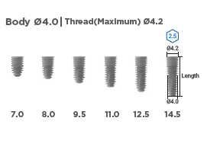
FX |  | IB-T | BLUE | Double Hex | Ø4.0 x 7.0mm [SLA] | KK4007SA
FX |  | IB-T | BLUE | Double Hex | Ø4.0 x 8.0mm [SLA] | KK4008SA
FX |  | IB-T | BLUE | Double Hex | Ø4.0 x 9.5mm [SLA] | KK4010SA
FX |  | IB-T | BLUE | Double Hex | Ø4.0 x 11.0mm [SLA] | KK4011SA
FX |  | IB-T | BLUE | Double Hex | Ø4.0 x 12.5mm [SLA] | KK4013SA
FX |  | IB-T | BLUE | Double Hex | Ø4.0 x 14.5mm [SLA] | KK4015SA
FX |  | IB-T | BLUE | Single Hex | Ø4.0 x 7.0mm [SLA] | PFX-4207SS
FX |  | IB-T | BLUE | Single Hex | Ø4.0 x 8.0mm [SLA] | PFX-4208SS
FX |  | IB-T | BLUE | Single Hex | Ø4.0 x 9.5mm [SLA] | PFX-4210SS
FX |  | IB-T | BLUE | Single Hex | Ø4.0 x 11.0mm [SLA] | PFX-4211SS
FX |  | IB-T | BLUE | Single Hex | Ø4.0 x 12.5mm [SLA] | PFX-4213SS
FX |  | IB-T | BLUE | Single Hex | Ø4.0 x 14.5mm [SLA] | PFX-4215SS
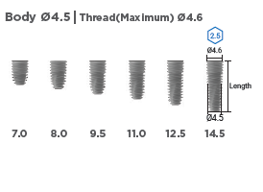
FX |  | IB-T | BLUE | Double Hex | Ø4.5 x 7.0mm [SLA] | KK4507SA
FX |  | IB-T | BLUE | Double Hex | Ø4.5 x 8.0mm [SLA] | KK4508SA
FX |  | IB-T | BLUE | Double Hex | Ø4.5 x 9.5mm [SLA] | KK4510SA
FX |  | IB-T | BLUE | Double Hex | Ø4.5 x 11.0mm [SLA] | KK4511SA
FX |  | IB-T | BLUE | Double Hex | Ø4.5 x 12.5mm [SLA] | KK4513SA
FX |  | IB-T | BLUE | Double Hex | Ø4.5 x 14.5mm [SLA] | KK4515SA
FX |  | IB-T | BLUE | Single Hex | Ø4.5 x 7.0mm [SLA] | PFX-4607SS
FX |  | IB-T | BLUE | Single Hex | Ø4.5 x 8.0mm [SLA] | PFX-4608SS
FX |  | IB-T | BLUE | Single Hex | Ø4.5 x 9.5mm [SLA] | PFX-4610SS
FX |  | IB-T | BLUE | Single Hex | Ø4.5 x 11.0mm [SLA] | PFX-4611SS
FX |  | IB-T | BLUE | Single Hex | Ø4.5 x 12.5mm [SLA] | PFX-4613SS
FX |  | IB-T | BLUE | Single Hex | Ø4.5 x 14.5mm [SLA] | PFX-4615SS
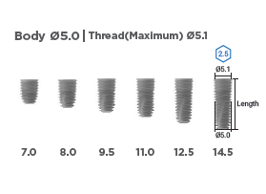
FX |  | IB-T | BLUE | Double Hex | Ø5.0 x 7.0mm [SLA] | KK5007SA
FX |  | IB-T | BLUE | Double Hex | Ø5.0 x 8.0mm [SLA] | KK5008SA
FX |  | IB-T | BLUE | Double Hex | Ø5.0 x 9.5mm [SLA] | KK5010SA
FX |  | IB-T | BLUE | Double Hex | Ø5.0 x 11.0mm [SLA] | KK5011SA
FX |  | IB-T | BLUE | Double Hex | Ø5.0 x 12.5mm [SLA] | KK5013SA
FX |  | IB-T | BLUE | Double Hex | Ø5.0 x 14.5mm [SLA] | KK5015SA
FX |  | IB-T | BLUE | Single Hex | Ø5.0 x 7.0mm [SLA] | PFX-5107SS
FX |  | IB-T | BLUE | Single Hex | Ø5.0 x 8.0mm [SLA] | PFX-5108SS
FX |  | IB-T | BLUE | Single Hex | Ø5.0 x 9.5mm [SLA] | PFX-5110SS
FX |  | IB-T | BLUE | Single Hex | Ø5.0 x 11.0mm [SLA] | PFX-5111SS
FX |  | IB-T | BLUE | Single Hex | Ø5.0 x 12.5mm [SLA] | PFX-5113SS
FX |  | IB-T | BLUE | Single Hex | Ø5.0 x 14.5mm [SLA] | PFX-5115SS
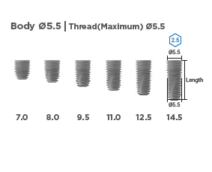
FX |  | IB-T | BLUE | Double Hex | Ø5.5 x 7.0mm [SLA] | KK5507SA
FX |  | IB-T | BLUE | Double Hex | Ø5.5 x 8.0mm [SLA] | KK5508SA
FX |  | IB-T | BLUE | Double Hex | Ø5.5 x 9.5mm [SLA] | KK5510SA
FX |  | IB-T | BLUE | Double Hex | Ø5.5 x 11.0mm [SLA] | KK5511SA
FX |  | IB-T | BLUE | Double Hex | Ø5.5 x 12.5mm [SLA] | KK5513SA
FX |  | IB-T | BLUE | Double Hex | Ø5.5 x 14.5mm [SLA] | KK5515SA
FX |  | IB-T | BLUE | Single Hex | Ø5.5 x 7.0mm [SLA] | PFX-5507SS
FX |  | IB-T | BLUE | Single Hex | Ø5.5 x 8.0mm [SLA] | PFX-5508SS
FX |  | IB-T | BLUE | Single Hex | Ø5.5 x 9.5mm [SLA] | PFX-5510SS
FX |  | IB-T | BLUE | Single Hex | Ø5.5 x 11.0mm [SLA] | PFX-5511SS
FX |  | IB-T | BLUE | Single Hex | Ø5.5 x 12.5mm [SLA] | PFX-5513SS
FX |  | IB-T | BLUE | Single Hex | Ø5.5 x 14.5mm [SLA] | PFX-5515SS
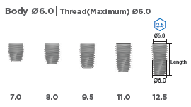
FX |  | IB-T | BLUE | Single Hex | Ø6.0 x 7.0mm [SLA] | PFX-6007SS
FX |  | IB-T | BLUE | Single Hex | Ø6.0 x 8.0mm [SLA] | PFX-6008SS
FX |  | IB-T | BLUE | Single Hex | Ø6.0 x 9.5mm [SLA] | PFX-6010SS
FX |  | IB-T | BLUE | Single Hex | Ø6.0 x 11.0mm [SLA] | PFX-6011SS
FX |  | IB-T | BLUE | Single Hex | Ø6.0 x 12.5mm [SLA] | PFX-6013SS
FX |  | IB-T | BLUE | Single Hex | Ø6.0 x 14.5mm [SLA] | PFX-6015SS
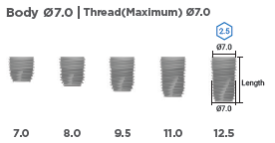
FX |  | IB-T | BLUE | Single Hex | Ø7.0 x 7.0mm [SLA] | PFX-7007SS
FX |  | IB-T | BLUE | Single Hex | Ø7.0 x 8.0mm [SLA] | PFX-7008SS
FX |  | IB-T | BLUE | Single Hex | Ø7.0 x 9.5mm [SLA] | PFX-7010SS
FX |  | IB-T | BLUE | Single Hex | Ø7.0 x 11.0mm [SLA] | PFX-7011SS
FX |  | IB-T | BLUE | Single Hex | Ø7.0 x 12.5mm [SLA] | PFX-7013SS
FX |  | IB-T | BLUE | Single Hex | Ø7.0 x 14.5mm [SLA] | PFX-7015SS
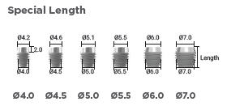
FX |  | IB-T | BLUE | Double Hex | Ø4.5 x 5.0mm [SLA] | KS4505SA
FX |  | IB-T | BLUE | Double Hex | Ø5.0 x 5.0mm [SLA] | KS5005SA
FX |  | IB-T | BLUE | Double Hex | Ø5.5 x 5.0mm [SLA] | KS5505SA
FX |  | IB-T | BLUE | Single Hex | Ø4.0 x 7.0mm [SLA] | PFX-4207SSP
FX |  | IB-T | BLUE | Single Hex | Ø4.5 x 7.0mm [SLA] | PFX-4607SSP
FX |  | IB-T | BLUE | Single Hex | Ø5.0 x 7.0mm [SLA] | PFX-5107SSP
FX |  | IB-T | BLUE | Single Hex | Ø5.5 x 7.0mm [SLA] | PFX-5507SSP
FX |  | IB-T | BLUE | Single Hex | Ø6.0 x 7.0mm [SLA] | PFX-6007SSP
FX |  | IB-T | BLUE | Single Hex | Ø7.0 x 7.0mm [SLA] | PFX-7007SSP
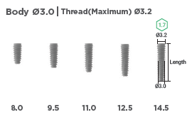
FX |  | IB mini | GREEN | Double Hex | Ø3.0 x 8.0mm [SLA] | KM3008SA
FX |  | IB mini | GREEN | Double Hex | Ø3.0 x 9.5mm [SLA] | KM3010SA
FX |  | IB mini | GREEN | Double Hex | Ø3.0 x 11.0mm [SLA] | KM3011SA
FX |  | IB mini | GREEN | Double Hex | Ø3.0 x 12.5mm [SLA] | KM3013SA
FX |  | IB mini | GREEN | Double Hex | Ø3.0 x 14.5mm [SLA] | KM3015SA
FX |  | IB mini | GREEN | Single Hex | Ø3.0 x 8.0mm [SLA] | MFX-3208S
FX |  | IB mini | GREEN | Single Hex | Ø3.0 x 9.5mm [SLA] | MFX-3210S
FX |  | IB mini | GREEN | Single Hex | Ø3.0 x 11.0mm [SLA] | MFX-3211S
FX |  | IB mini | GREEN | Single Hex | Ø3.0 x 12.5mm [SLA] | MFX-3213S
FX |  | IB mini | GREEN | Single Hex | Ø3.0 x 14.5mm [SLA] | MFX-3215S

 | Fixture |  |  |  |  |  | 0

